Business Requirenment
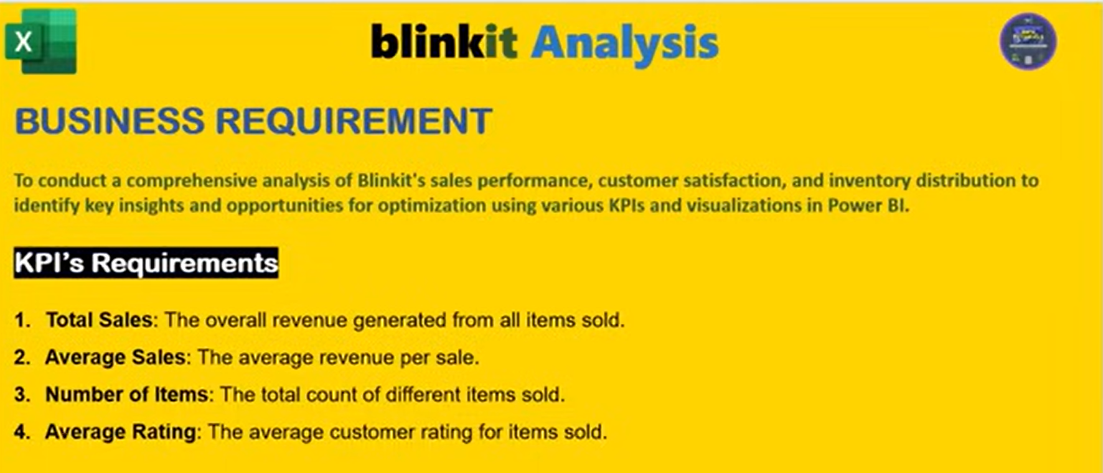

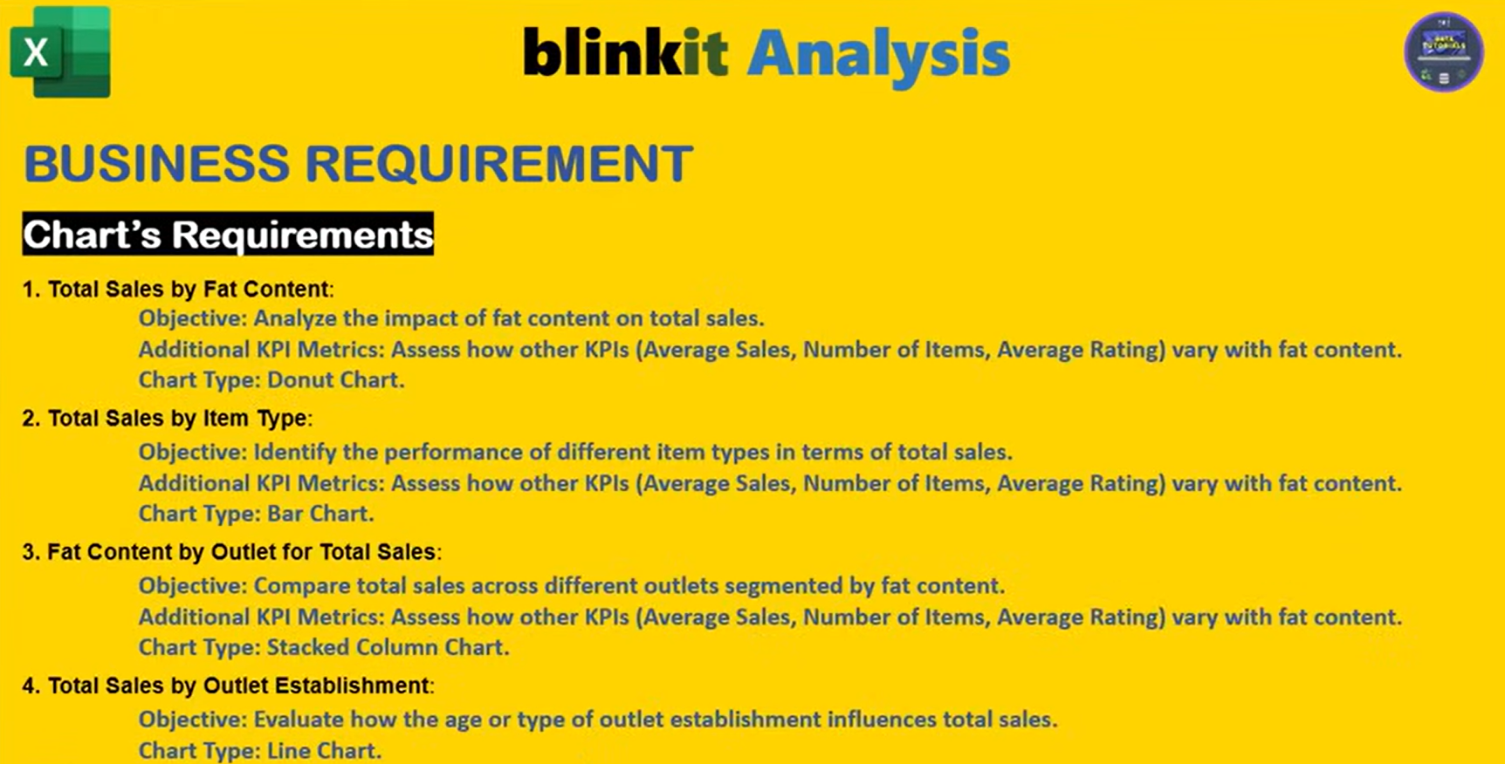

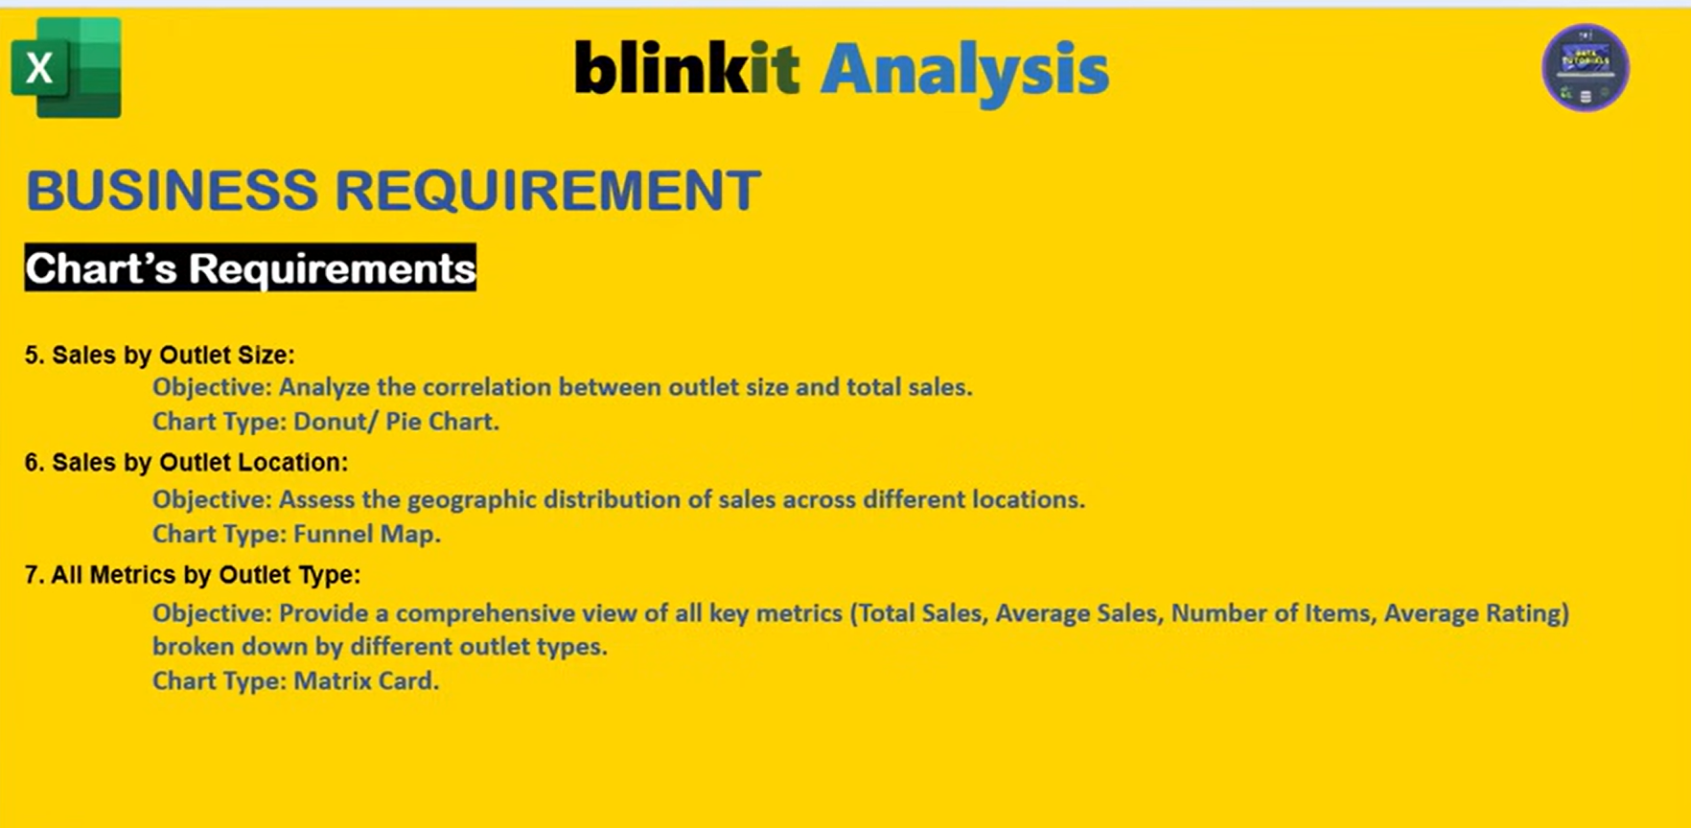

Sheet Design
KPI's Requirements
Sum of Sales | Average of Sales | Number of Items | Average of Rating
59449.8638 | 139.88203247 | 425 | 4.0230588235

Total Sales | Avg Sales | No of Items | Avg Rating
$0.06M | $140 | 425 | 4.0

Total Sales By Fat Content
Row Labels | Sum of Sales
Low Fat | $22.3K
Regular | $37.2K

Fat Content by Outlet for Total Sales
Sum of Total Sales | Column Labels
Row Labels | Regular | Low Fat
Tier 1 | $10.9K | $6.2K
Tier 2 | $11.9K | $6.0K
Tier 3 | $14.4K | $10.1K

Total Sales By Item Types
Row Labels | Sum of Sales
Meat | $59.4K

Total Sales By Outlet Establishment
Row Labels | Sum of Sales
2011 | $4.6K
2012 | $6.1K
2014 | $5.6K
2015 | $5.6K
2016 | $6.4K
2017 | $6.4K
2018 | $12.3K
2020 | $5.9K
2022 | $6.4K

Sales By Outlet Size
Row Labels | Sum of Sales
High | $15.2K
Medium | $24.9K
Small | $19.4K

Sales By Outlet Locations
Row Labels | Sum of Sales |  | Outlet Locations | Sales
Tier 3 | $24.5K |  | Tier 3 | $24.5K
Tier 2 | $18.0K |  | Tier 2 | $18.0K
Tier 1 | $17.0K |  | Tier 1 | $17.0K

All Metrics By Outlet Type
Row Labels | Sum of Sales
Grocery Store | $9.1K
Supermarket Type3 | $7.8K
Supermarket Type2 | $6.4K
Supermarket Type1 | $36.2K

Row Labels | Average of Sales
Grocery Store | $138
Supermarket Type3 | $140
Supermarket Type2 | $138
Supermarket Type1 | $141

Row Labels | Count of Sales
Grocery Store | 66
Supermarket Type3 | 56
Supermarket Type2 | 46
Supermarket Type1 | 257

Dashboard
TTtt
Blinkit
 | Total
2011 | $4.6K
2012 | $6.1K
2014 | $5.6K
2015 | $5.6K
2016 | $6.4K
2017 | $6.4K
2018 | $12.3K
2020 | $5.9K
2022 | $6.4K
OUTLET ESTABLISHMENT
$0.06M
$140
India's Last Minute App
TOTAL SALES
AVG SALES
FILTER PANEL

425
4.0
NO OF ITEMS
AVG RATING

FAT CONTENT
ITEM TYPE
OUTLET SIZE
OUTLET LOCATIONS
 | Total
Low Fat | $22.3K
Regular | $37.2K
 | Total
Meat | $59.4K
 | Total
High | $15.2K
Medium | $24.9K
Small | $19.4K

FAT BY OUTLET
 | Regular | Low Fat
Tier 1 | $10.9K | $6.2K
Tier 2 | $11.9K | $6.0K
Tier 3 | $14.4K | $10.1K
OUTLET TYPE
 | Total
Grocery Store | $9.1K
Supermarket Type3 | $7.8K
Supermarket Type2 | $6.4K
Supermarket Type1 | $36.2K
 | Total
Grocery Store | $138
Supermarket Type3 | $140
Supermarket Type2 | $138
Supermarket Type1 | $141
 | Total
Grocery Store | 66
Supermarket Type3 | 56
Supermarket Type2 | 46
Supermarket Type1 | 257

Developed By - Vaibhav R. D.

